Esercizio
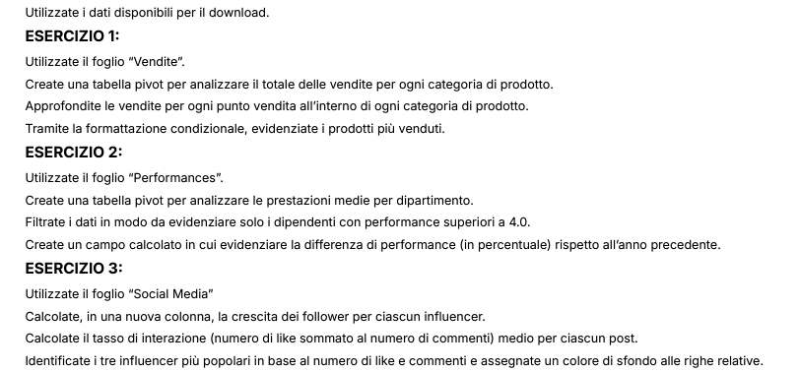

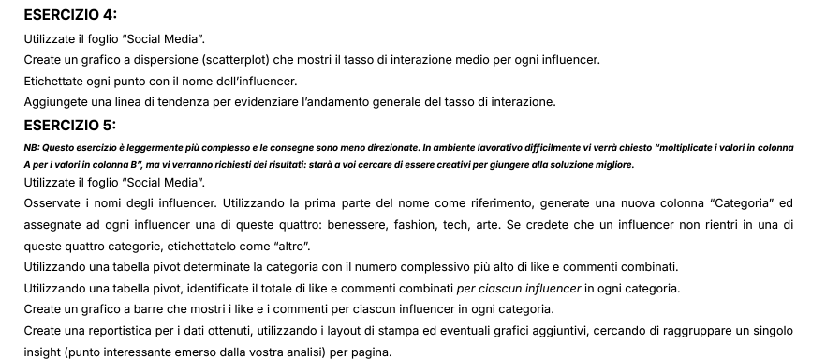

Grafico
 | Iterazioni medie Post
AdventureJunkie | 50.6
AdventureSeeker | 272.5
ArtAficionado | 55.6
ArtInspiration | 410
ArtisticSoul | 437.5
BeautyInBlue | 222.5
BeautyQueen | 435
BookLover | 217.5
BookLover | 465
BookWorm | 462.5
CarEnthusiast | 490
ChefExtraordinaire | 55.55
DIYMaster | 45.5
FashionForward | 382.5
Fashionista | 275
FitnessFanatic | 380
FitnessFanatic | 410
FitnessFiesta | 162.5
FitnessFiesta | 245
FitnessFreak | 490
FoodieDelight | 327.5
FoodieDelight | 492.5
FoodieLover | 327.5
GamerLegend | 380
HealthyLiving | 327.5
HomeDecorPro | 190
MovieBuff | 297.5
MovieBuff | 355
MovieCritic | 300
MusicHarmony | 272.5
MusicMaestro | 245
MusicSensation | 432.5
MusicSensation | 437.5
NatureExplorer | 245
NatureLover | 300
OutdoorExplorer | 435
PetWhisperer | 60.75
StyleIcon | 382.5
TechEnthusiast | 407.5
TechGuru | 382.5
TechJunkie | 355
TechJunkie | 220
TechSavvy | 492.5
TravelNomad | 275
TrendSetter | 330
TrendSetter | 437.5
TrendyTechie | 190
TrendyTraveler | 45.5
TrendyTraveler | 382.5
WellnessGuru | 48
...

